Instructions
BMP Tracking Table Instructions
Last updated 3/13/2020
*phosphorus calcs were not working for storage depths <0.1" past the first row. This has been fixed.

The workbook is designed to track stormwater practices that are owned or controlled by an MS4. There are two tabs:
· BMP P Tracking Table – used to track practice maintenance, construction, and phosphorus accounting of practices included in a phosphorus control plan (PCP) or flow restoration plan (FRP).
· Maintenance – used to track maintenance of practices that are not included in a phosphorus control plan or flow restoration plan, but the MS4 has taken full legal responsibility for.
Some cells have a dropdown that appear when the cell is selected. Please select one of the values from the list, rather than typing in a value manually. If a value is input that doesn’t match one of the expected values, formulas in the workbook may break.

Do not put anything in cells that have been grey out . This could break equations.
If the appropriate FRP Watershed is selected, the drainage area and lake segment will autofill, although it may not work if you delete the cell contents. Drainage areas and Lake Segments can be found on the Natural Resources Atlas (linked below) by selecting ANR Basemap Data> Lake Segment Basins. Stormwater Impaired Watersheds are found under Stormwater>Stormwater Impaired Watersheds.
http://anrmaps.vermont.gov/websites/anra5/
Some cells of the worksheet are locked to protect the formulas. Where this is the case , the field name is marked with an *. If errors are discovered please contact:
emily.schelley@vermont.gov

What can be included for phosphorus credit?
• Increase in treatment built during or after 2002 on existing impervious
• Treatment of new impervious after 2010 that was not required to obtain a state stormwater permit

Storage Volumes
The storage volume is the maximum amount of water that a practice can hold at one time. The storage volume that should be used for credit calculations is typically the volume of water can hold during storms up to the 1-year return storm. Some practices are designed to provide attenuation and safe passage of larger storms, such as the 10- or 100-year return storm; however, this additional volume typically does not stay in the practice long enough to receive much treatment and shouldn’t be included in credit calculations.

Storage Volume for Ponds and Wetlands
For wet ponds and gravel wetlands, there is typically a large outlet at or near the top of the outlet riser that allows larger storms to exit the practice quickly. Storage above that level is considered flood storage and should be excluded from credit calculations.
Permanent Pool
Extended Detention 12-24 hours, typically controlled by a small orifice
Flood Storage – Typically short detention times.
Storage Volume for Credit
Calcs
Outlet Riser
Overflow for large storms
Small outlet for extended detention

Generalized diagram off a wet pond

Modeling documentation for the practice should include a stage vs. storage table that can be used to determine the appropriate volume for credit calculations.

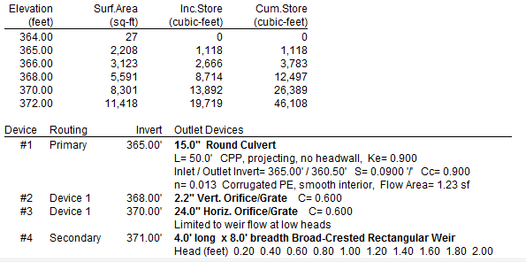
Overflow Orifice
Storage volume @ 370’ = 26,389 ft³

HydroCAD summary of a wet pond showing the correct storage volume for credit calculations

Many ponds built prior to the adoption of the 2002 Vermont Stormwater Management Manual were designed for peak flow attenuation and have neither a permanent pool nor extended detention. Ponds lacking these features are not assigned a phosphorus credit as they do not provide significant treatment.

Storage Volume for Grass Channels
Grass channels were a popular treatment practice under the 2002 Vermont Stormwater Management Manual (VSMM). Grass channels were typically sized to provide treatment for the water quality storm, which was the 0.9” storm under the 2002 VSMM. Grass channel typically have volume to convey large storms but credit calculations should be based on the peak volume of water in the swale during the water quality storm.
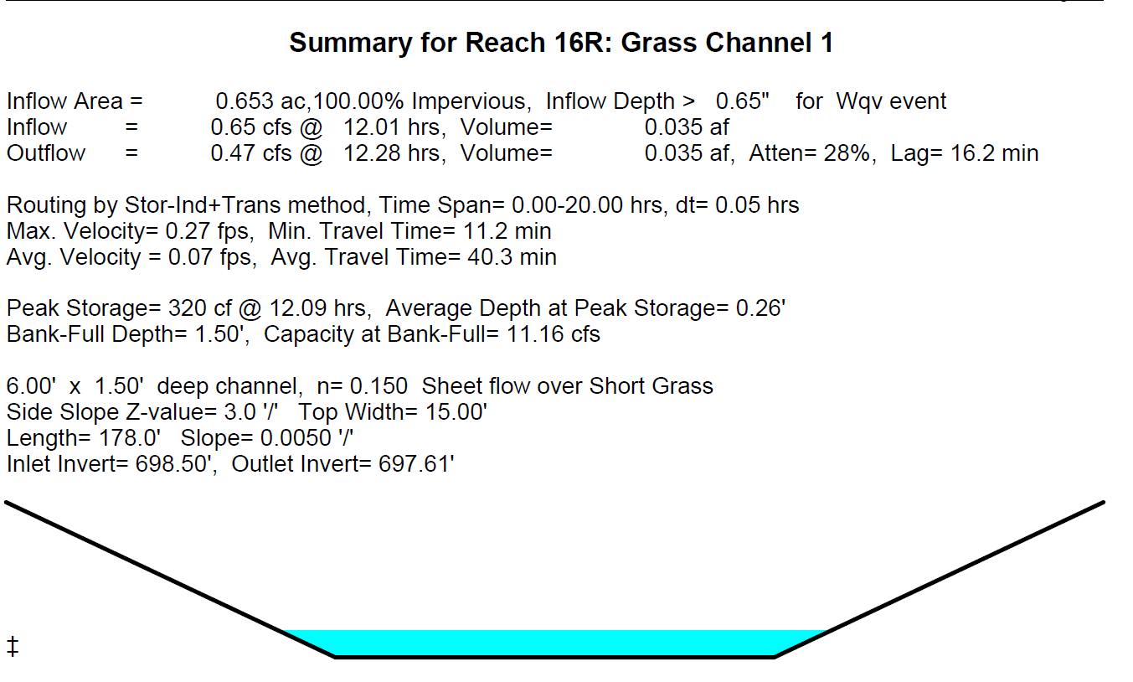

HydroCAD summary of a grass channel (swale) showing the correct storage volume for credit calculations

Storage Volume of Filters and Bioretention Practices
When calculating the storage of a filter media, the porosity (n) of 0.33 should be used. The same rule about excluding flood storage in storage calculations as for ponds and wetlands applies to these practices.

